1. Title Page
[Departmental Sales and Customer Data Analysis]

Project Name: Departmental Sales and Customer Data Anlysis
Date: February, 2022
Analyst Name: Ezekiel Idowu

Contents:
Population Flow
Consistency checks
Wrangling steps
Column derivations
Visualizations
Recommendations

Source of Data
“The Instacart Online Grocery Shopping Dataset 2017”, Accessed from https://www.instacart.com/datasets/grocery-shopping-2017 on 26th Jan 2022

Project Objectives
Instacart, an online grocery store that operates through an app. Instacart already has very good sales, but they want to uncover more information about their sales patterns. Your task is to perform an initial data and exploratory analysis of some of their data in order to derive insights and suggest strategies for better segmentation based on the provided criteria.

2. Population Flow
 | Title page

Population flow

Exclusion flag
Condition: max_order < -5
Obervations to be removed: 1,441,570
Final total count of order_products_all: 30,963,289

Orders_products_combined
Orders_products_merged
Orders_products_all

Total: 32,405,059
Total: 32,434,489
Total: 32,404,859

1.) The grey boxes in the first row of the population flow represent the original data sets as they were when you downloaded them. In the Total fields you need to add the count of the rows when you imported the data set into Jupyter.
2.) The second row of boxes (coloured) represents the data sets after you manipulated them, e.g., removed missing values and duplicates. In the Total fields you need to add the count of the rows after conducting these operations. This offers a visual oveview of how the data flows throughout the data consistency checks.
3.) The third row, where also the arrows are coloured, represents the merges you performed between the datasets. In the Total fields you need to add the count of the rows in the merged datasets, so that you end up with the final dataset (in the red box). Keep in mind the final dataset should be without exclusions (based on the exclusion flag).

30963289

3. Consistency checks
 |  |  |  | Title page
Consistency checks

Dataset | Missing values | Missing values treatment | Duplicates
orders | 206,209 NaN in days_since_prior_order | NAN values were not treated to maintain data integrity
products | 16 NaN in product name column | Missing values were left alone

4. Wrangling steps
 |  |  |  | Title page
Wrangling steps

Columns dropped | Columns renamed | Columns' type changed | Comment/Reason
eval_set | region to Region | order_id to string | consitency
First Name, Surname | hour_order_made to order_hour_of_the_day : | user_id to string | consitency
 | Gender' : 'gender |  | consitency
 | age' to 'Age |  | consitency
 | n_dependants' to 'Number_of_dependents |  | consitency
 | STATE' : 'State |  | consitency

5. Column derivations
 |  |  |  | Title page

Column derivations and aggregations

Dataset | New column | Column/s it was derived from | Conditions
df_merged_cust | price_range_loc | prices | if 'prices': <5 then 'low' between 5 and 15 then 'mid' >15 then 'high'
merged_cust | busy_day | orders_day_of_week | if day of the week with most orders then 'Busiest day' else if day of the week with least orders then 'Least busy' else 'regularly busy'
merged_cust | busiest_period_of_day | order_hour_of_day | Categorise periods of day according to number of orders
merged_cust | loyalty_flag | max_order | if max_order: >40 then 'loyal customer' else if between 11 and 40 then 'Regular customer' else up to 10 then 'New customer'
merged_cust | spending_flag | avg_order_cost_by_cust | If average price: 10 or higher then 'High spender' else <10 then 'low spender'
ords_prods_merge | customer_frequency | user_id / days_since_prior_order | Median days since last order
merged_cust | frequency_flag | cust_frequency | If median days since last order: >20 then 'non-frequent customer' else if between 10 and 20 then 'regular customer' else if 10 or less then 'frequent customer'
merged_cust | Region | State | Categorise customer state by region based on lists
merged_cust | Customer_activity_flag | max_order | Categorise customers based on max order
merged_cust | Generation | Age | Categorise customers by generation based on age
merged_cust | Income group | Income | Customers categorization by generation and income group
merged_cust | Customer_profile | Income Bracket / Generation / No_of_dependents | Age, Income and number of dependents

6. Visualizations
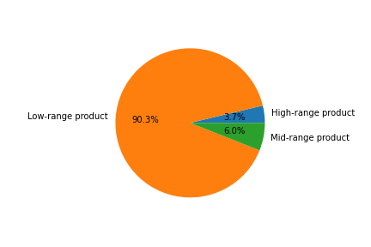
 |  |  |  |  | Instarcart

Visualisations

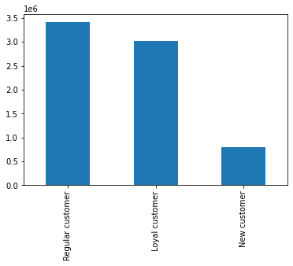
Frequency of orders by hour of the day |  | Distribution of Loyalty flag
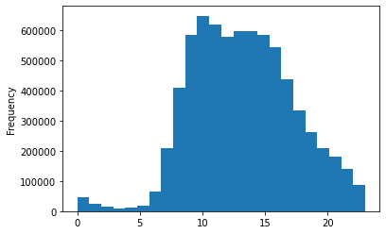
 |  |  |  |  |  | Regular spenders constitute the higghest proportion of loyalty flag

 |  |  |  |  |  |  | Distribution of the busy days of the week.

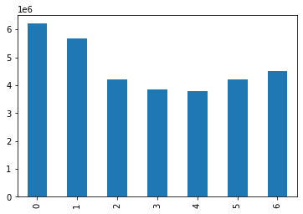

The visualization shows that the highest orders reign in between 0900 and 1500

Relationship between expenditure and order hour of the day |  | Relationship between Age and number of dependants

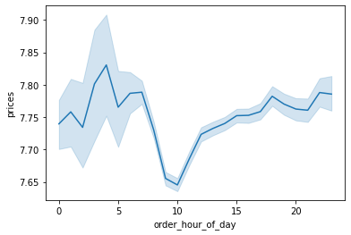
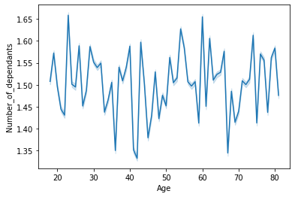

 |  |  |  |  |  |  |  | Day 1 of the week happens to be the busiests day of the week.

The highest expenditures happen between 0000 and 0500

Relationship between Age and Income |  | Relationship between Age and Spending flag
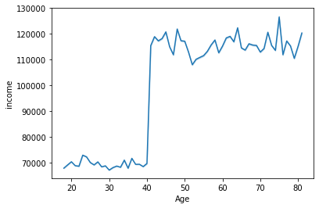
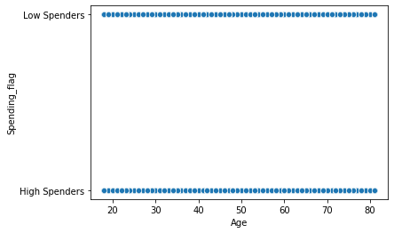

Income of people 50 and 80 is considerably higher than people between 20 and 40 |  |  | There is no correlation between Age and Spending flag

 |  |  |  | Distribution of Age group
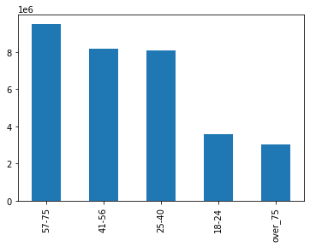

 |  |  |  |  |  | People aged between 57-75 represent the highest distribution

The northeast dwellers repressent the highest proprtion of spenders

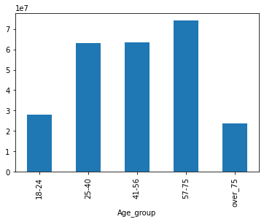
Distribution of Age group
 |  |  | Distribution of Income group
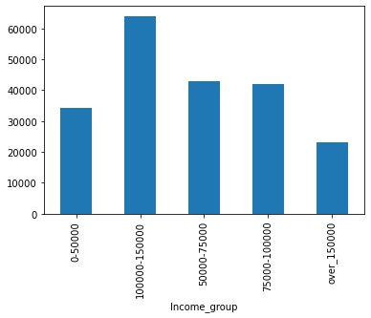
 |  |  |  |  |  | The visualization shows income group between 100000 and 150000 having the highest income rate.

 | Distribution of Revenue by Family Status |  | Distribution of customer profile by Revenue
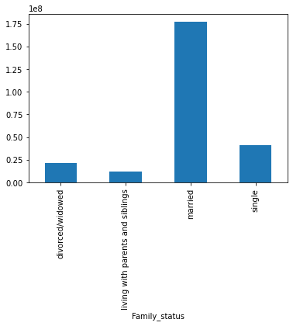
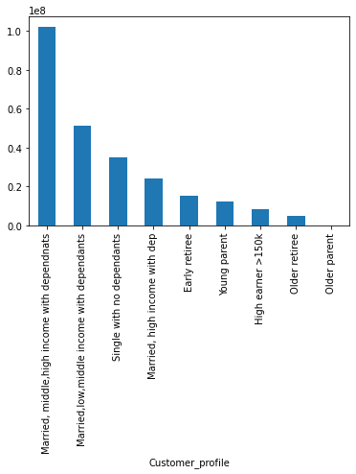

 |  |  |  |  |  | As a microcosym of the married people, married, middle, high, income with dependants spend the most.

Married people have the highest percentage in terms of expenditure and revenue to the business.

Order frequency by regions and department |  |  | Order frequency by department
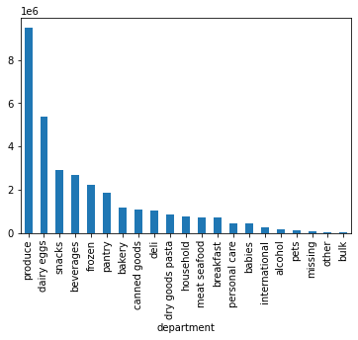
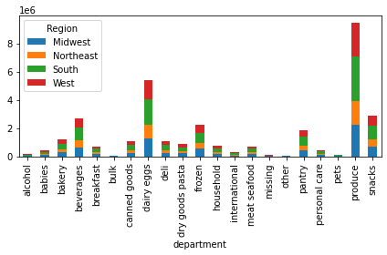

Produce department genrates more activites in the business including the amount of orders and revenue generated

 | Price Distribution
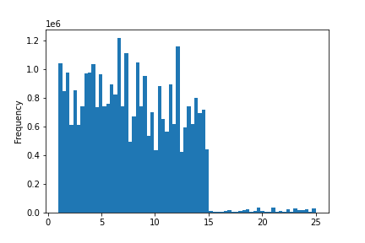

 |  |  |  | Expenditure distribution among range of products

7. Recommendations
 |  |  |  |  | Title page

Recommendations

Question |  | Answer
Key Question 1 - The sales team needs to know what the busiest days of the week and hours of the day are (i.e., the days and times with the most orders) in order to schedule ads at times when there are fewer orders. |  | Management should intensify product availability and create awareness of products around time and days where orders are low. The highest orders come between 0900 and 1500. Busiest days are the first and the second days of the week.
Frequency of orders by hour of the day |  | Frquency of orders by days of the week

Key Question 2 - They also want to know whether there are particular times of the day when people spend the most money, as this might inform the type of products they advertise at these times. |  | The highest expenditures by customers happen around 0500. Advertisement and poduct availability must be priortized aroung this time. The busiest time of the day should be matched with the expenditure hour of the day. These two visualizations must be used for the purpose of supply planning and product distribution and adverts
 |  | Order hour of the day vs Expenditure

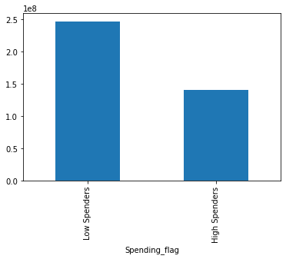
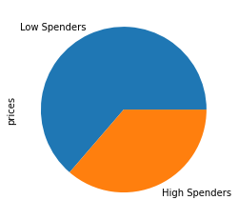
Key Question 3 - Instacart has a lot of products with different price tags. Marketing and sales want to use simpler price range groupings to help direct their efforts. |  | The largest percentage of the products have prices between 1 and 15. The business is expected to drive production and inrease efforts and adverts of low price range products to increase revenue. According to the visualization of the spending flag, the low spenders consitute the higher quota. It suffice to say the low spenders purchase more of the low price products. Efforts should be directed at targeting the the low-price spenders, enusre availabilty of low range products and also push the communications and adverts regarding product features of the high range products.
Price distribution |  | Expenditure distribution by Customer Spending

Key Question 4 - Are there certain types of products that are more popular than others? The marketing and sales teams want to know which departments have the highest frequency of product orders |  | In all regions, efforts should be directed at the produce department owing to the fact that it has the highest orders. The supply chain to the produce department must be monitored to ensure consistent product availability
 |  | Order frequency by department

Key Question 5 - The marketing and sales teams are particularly interested in the different types of ustomers in their system and how their ordering behaviors differ. For example: What’s the distribution among users in regards to their brand loyalty (i.e., how often do they return to Instacart)? Are there differences in ordering habits based on a customer’s loyalty status? |  | 1.Efforts should be directed at ensuring product availability at days where (statistically) the frequent and regular customers visit the business. On the business website or other advert plafroms, data should always be gathered concerning the digital footprint of frequent and regular customers to create targeted adverts. 2. The visualization of loyalty flag shows that regular customers order more products and have the highest share of revenue. This particular segment of the customer base generate the highest amount of loyalty with respect to revenue generation.
Are there differences in ordering habits based on a customer’s region? |  | The southern region spends considrably more than other regions. The supply chain of the southern region ' must be consistently monitored to ensure that product availability is consistent.
Is there a connection between age and family status in terms of ordering habits? |  | Efforts should be directed at ensuring product availability at days where (statistically) married people visit the business. The visualization of customer profile shows that the married, middle, high income families with dependants have the highest share of orders and revenue. This particular segment of the customer base generate the highest amount of loyalty with respect to revenue generation. Married people generally generate the highest amount of revenue. The visualization shows that there is no correlation between spending flag and age. Married people generally spend the most. As stated earlier, product availability must be priortized at periods the married customers visit the business. People aged between 57 and 75 should be targeted with adverts.

1 |  | 2 | 3 | Total expenditures by families according to family status
Distribution of Customer frequency based on days since prior order (Frequent - lower than 10 days, regular - higher than 10 and non-frequent -higher than 20) |  | Distribution of orders according to loyalty

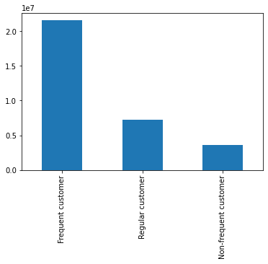
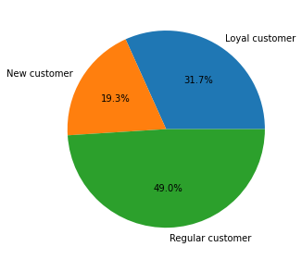

Frequency of orders according to regions | Distribution of expenditure according to Region
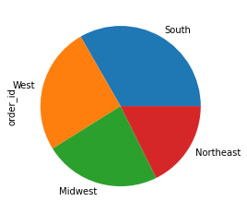
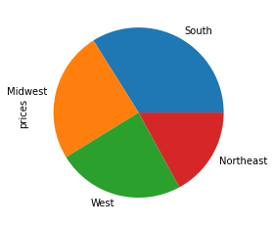

 |  | Relationship between Age and Spending flag
Distribution of customers by Profile (based on age, income, no. dependents)

 |  | Total expenditures by families according to family status

